Overview
Optotune lens selector for entocentric lenses

1) Enter your preferred average (nominal) working distance: |  |  |  |  |  | 1000 | mm |  |  |  | v07.03.2020
2) Enter the (horizontal) width of your object: |  |  |  |  |  | 500 | mm
--> resulting horizontal field of view: |  |  |  |  |  | 28 | ° HFOV
3) Find an appropriate HFOV in the table and click to see a list of recommended lens configurations

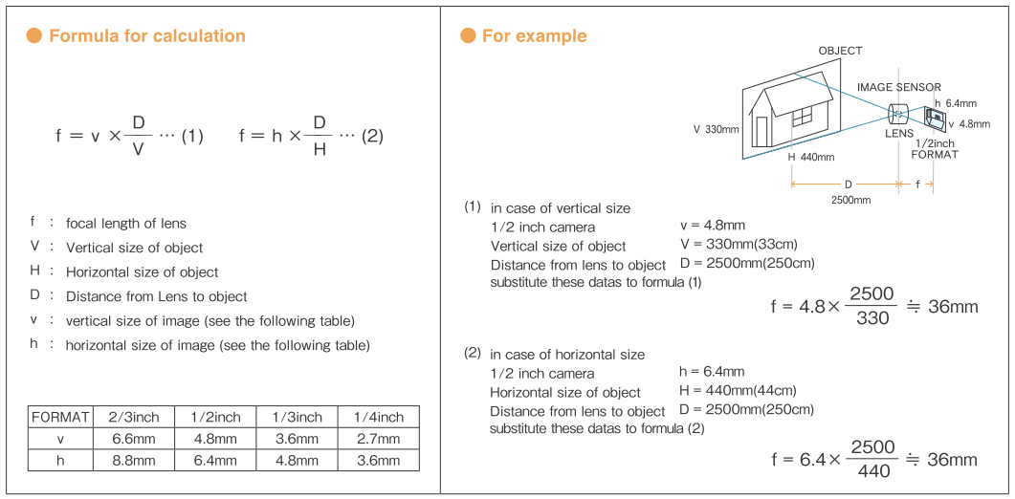
Front- or back-lens configuration
Camera sensor | Mount | Imaging lens focal length (mm)
 |  | <6 | 6 | 8 | 12 | 16 | 25 | 35 | 50 | 75 | 100 | >100
1/4” | S |  | 30° HFOV | 23° | 15° | 11° | 7° | 5° | 4° | 2.5° | 2°
 | C
1/3” | S |  | 44° * | 33° | 23° | 17° | 11° | 8° | 6° | 4° | 3°
 | C |  |  |  |  | *
1/2” | S |  | 56° * | 44° | 30° | 23° | 15° | 10° | 7° | 5° | 4°
 | C |  |  |  |  | *
2/3” | C |  | 73° | 58° | 40° | 31° | 20° | 14° | 10° | 7° | 5°

1” | C |  | 74° | 77° | 56° | 44° | 29° | 21° | 15° | 10° | 7°
 |  |  |  |  | * | ** | * | * | *
30mm diag. | M42 |  | 128° | 114° | 91° | 75° | 52° | 39° | 28° | 19° | 14°

 |  | Front lens configuration only |  |  |  |  | Back lens configuration only

Not possible
Possible with custom optics design
Custom design available
*
Vignetting with off-the-shelf lenses
Possible with off-the-shelf lenses

Entocentric lens database |  |  | ** Customized lens in development
Telecentric lens database

